Sheet1
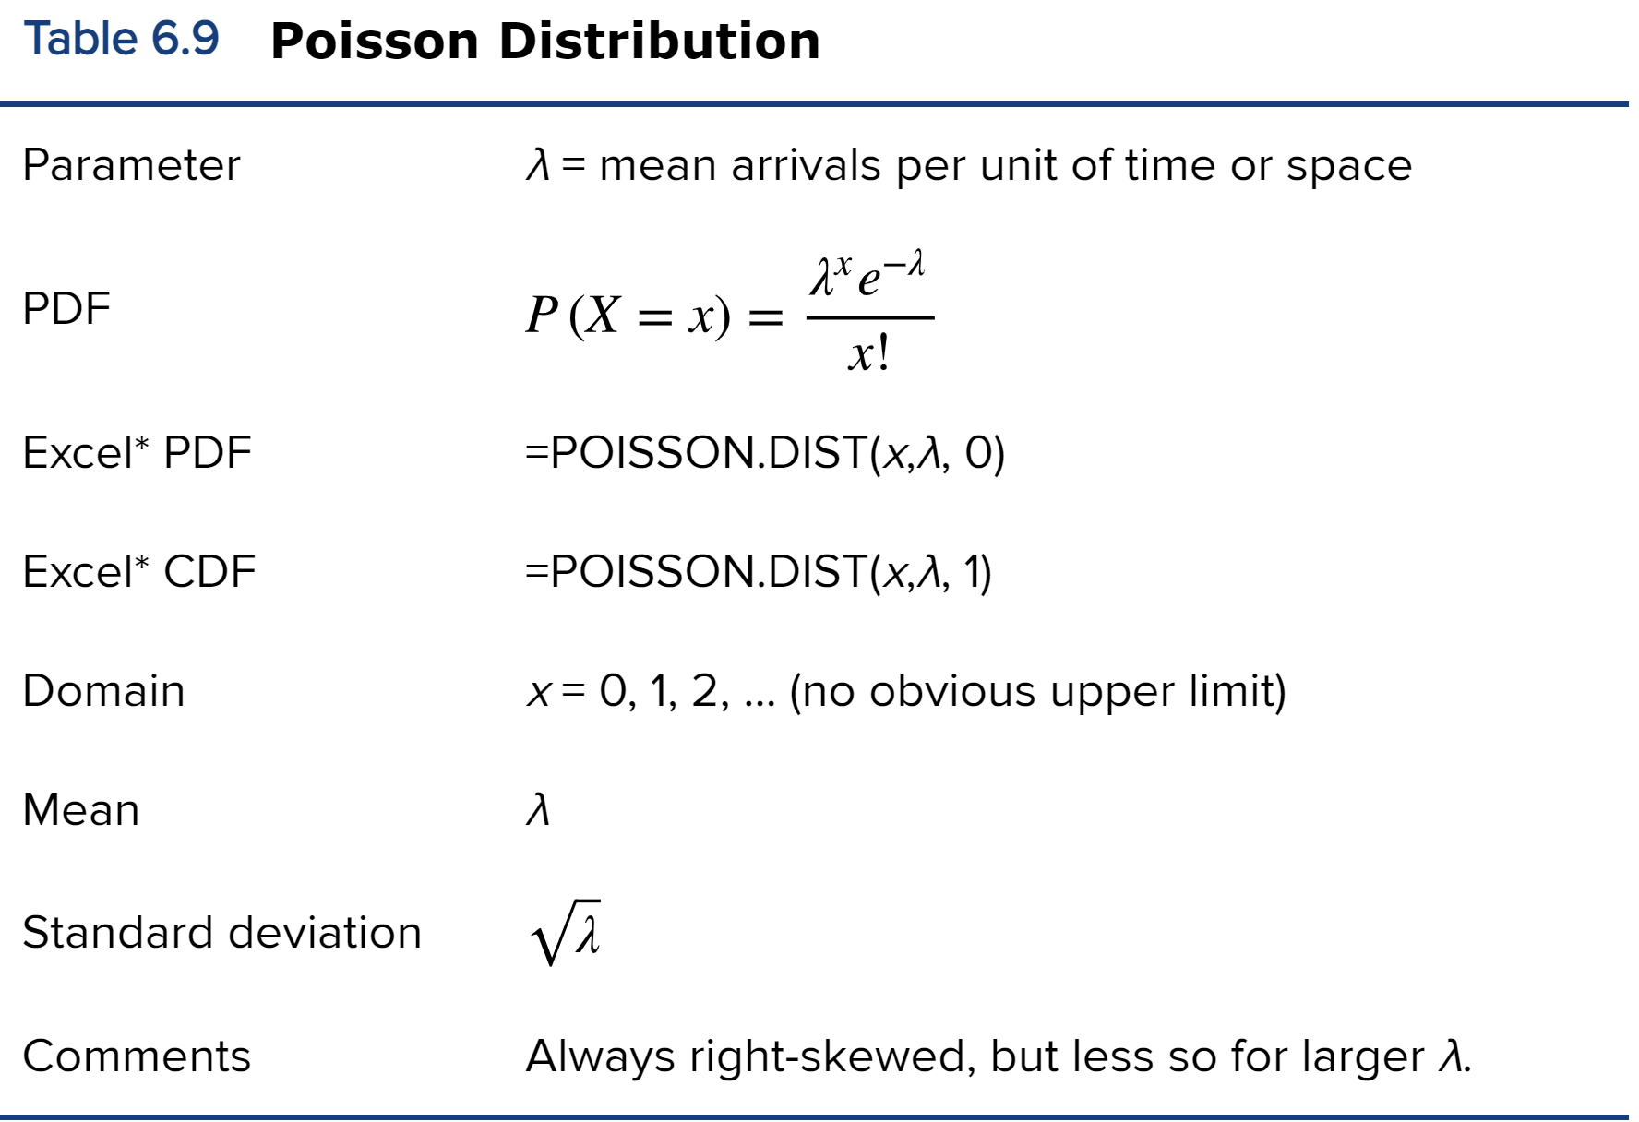
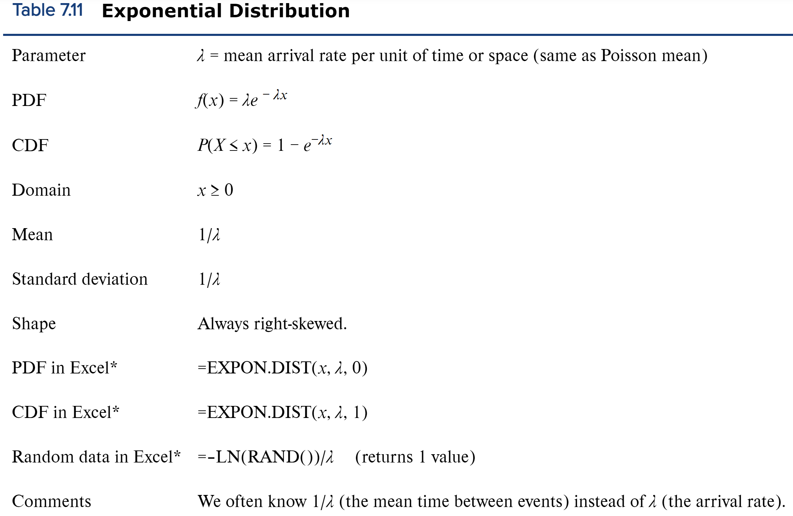
A repairperson will come to your home between 9 a.m. and 12 a.m. according to uniform distribution.
What is the probability s/he will show up between 10-11 p(10<x<11)? P(9<x<12)? P(8<x<10)?P(x=10)? Before 11:30? after 10:30? Variance of x?
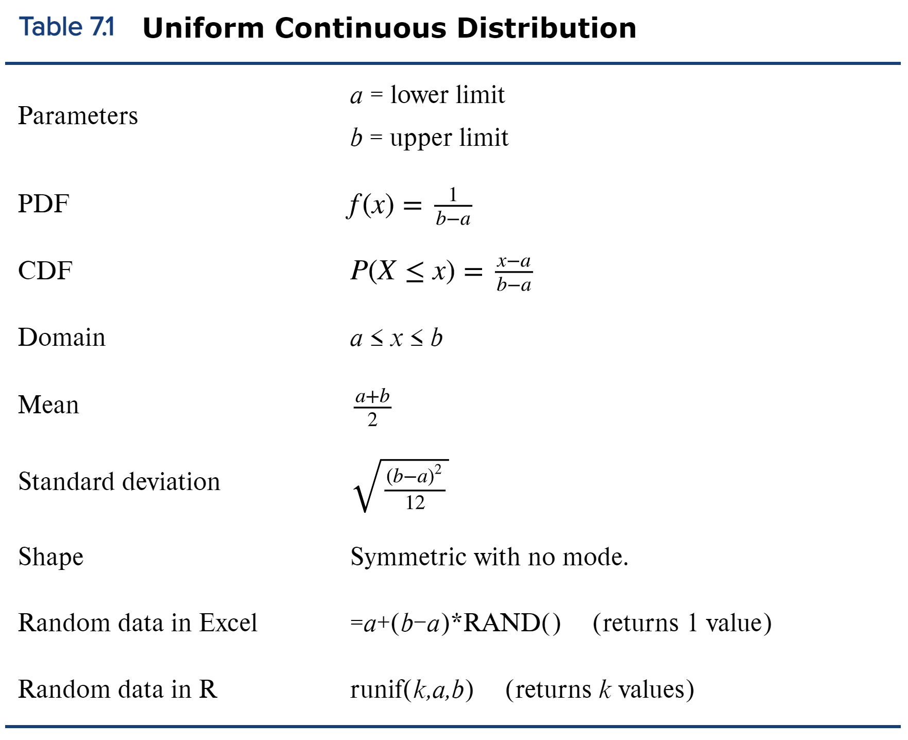
 |  |  | a=9
 |  |  | b=12

 |  | CDF | P(10<x<11)=P(x<11)-P(x<10)
 |  | PDF | P(x=10)

 |  | Variance | std^2

Average weight on campus is 140 and standard deviation is 10. |  | normal distribution |  | refer to textbook page 162 to find how to do these in Excel

Find p(120<x<130) P(x<125) P(x>135) (P(x<119) or P(x>155)) |  | CDF
Find z for x=130, 120, 125, 140, 175
Find x for z=1, 2, -1, 1.5, 2.2
Find p(-2<z<-1), P(z<-1.5) p(z>-.5)
Find x for Q1, Q2, Q3, bottom 10 percentile, top 5 percentile.
Q1 |  | Q2,3,4,5
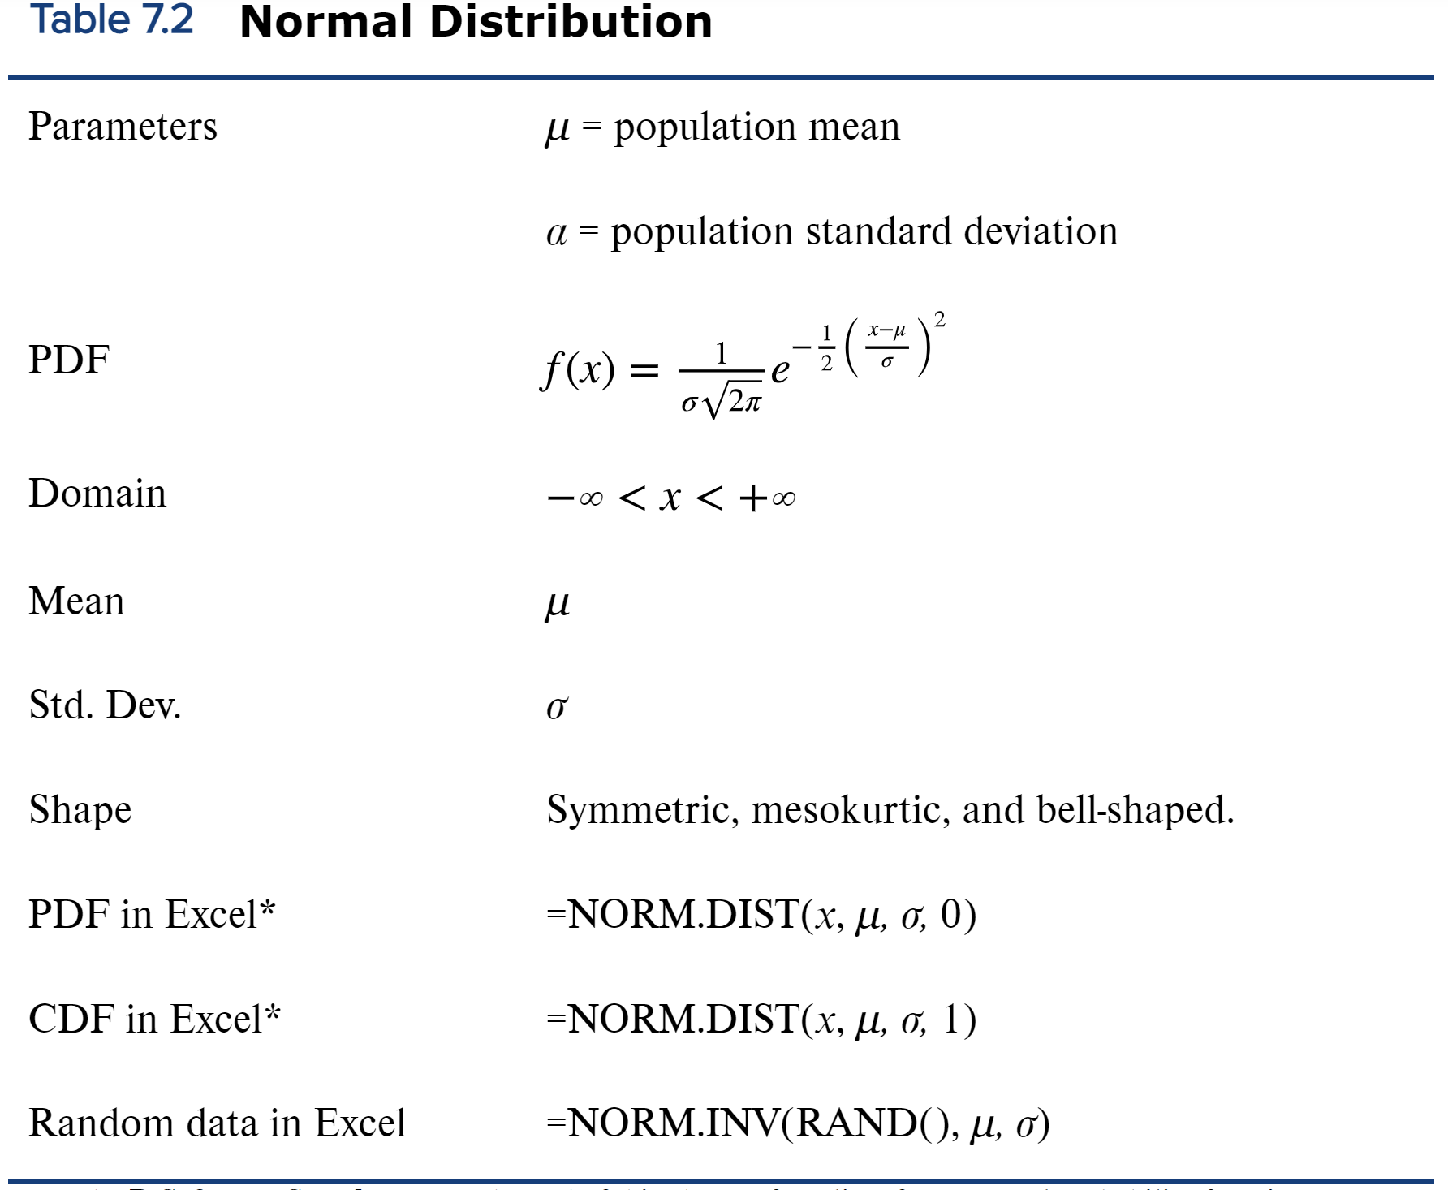
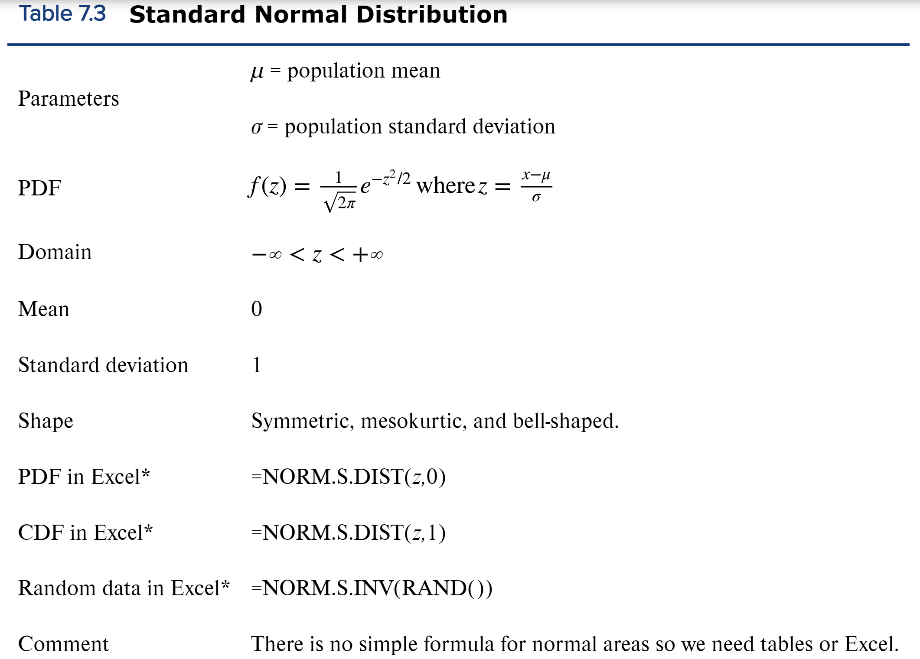

Binomial approaximation | refer to textbook page 133 to find how to do these in Excel

20% of the students are late with their credit card payment.
1. taking a sample of 100 students, using binomial distribution, find P(22<=x<=25) both Excel function and Megastat |  |  |  |  | CDF | n=100; pi=20%
2. using normal approximation find P(22<=x<=25) (remember to do .5 adjustment) |  |  | refer to textbook page 167 for details
Q1 |  |  |  | Q2
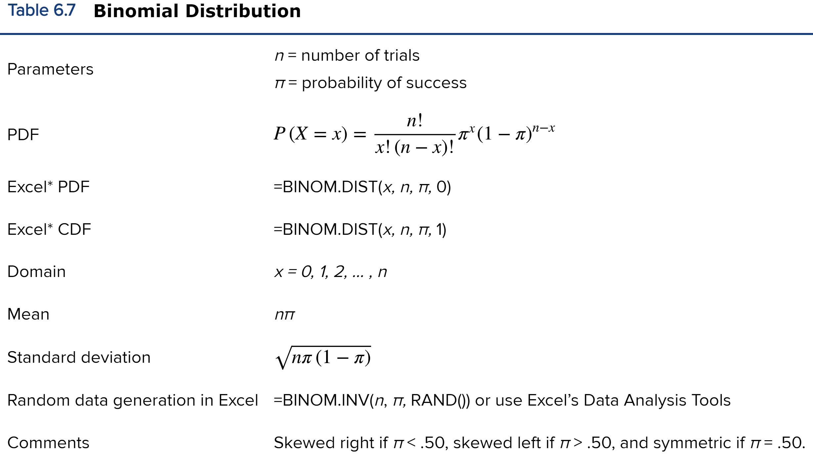

The number of visits to the doctor is 3.2 visits per year or 32 visits per decade.
1. using Poisson distribution, what is P(x<=22) per decade? Both Excel and Megastat
2. using normal approximation find P(x<=22) per decade (remember to do .5 adjustment)
3. I just visited the doctor, what is the probability my next visit will be within 6 months, between 6-9 months? |  |  |  |  | exponential distribution
4. a person visits the doctor every three months, redo 1 and 2. |  | lambda=1/3
Q1 |  |  | Q2 |  | Q3

